Solve It
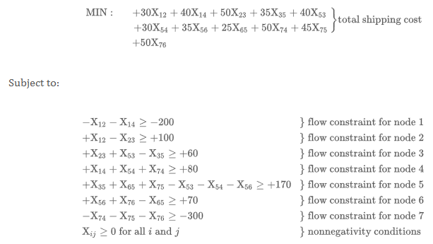
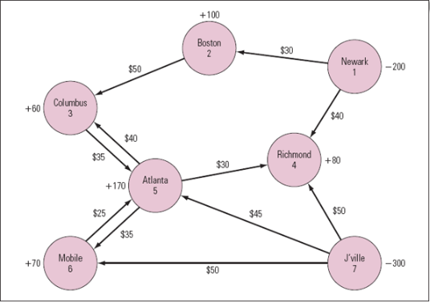
 |  |  |  | Total Transportation Cost -> |  |  | $22,350.00

Ship | From |  | To |  | Unit Cost | Nodes |  | Inflow | Outflow | Net Flow | Supply/Demand
120 | 1 | Newark | 2 | Boston | $30 | 1 | Newark | 0 | 200 | -200 | -200
80 | 1 | Newark | 4 | Richmond | $40 | 2 | Boston | 120 | 20 | 100 | 100
20 | 2 | Boston | 3 | Columbus | $50 | 3 | Columbus | 60 | 0 | 60 | 60
0 | 3 | Columbus | 5 | Atlanta | $35 | 4 | Richmond | 80 | 0 | 80 | 80
40 | 5 | Atlanta | 3 | Columbus | $40 | 5 | Atlanta | 210 | 40 | 170 | 170
0 | 5 | Atlanta | 4 | Richmond | $30 | 6 | Mobile | 70 | 0 | 70 | 70
0 | 5 | Atlanta | 6 | Mobile | $35 | 7 | Jacksonville | 0 | 280 | -280 | -300
0 | 6 | Mobile | 5 | Atlanta | $25
0 | 7 | Jacksonville | 4 | Richmond | $50
210 | 7 | Jacksonville | 5 | Atlanta | $45
70 | 7 | Jacksonville | 6 | Mobile | $50

